Cover page
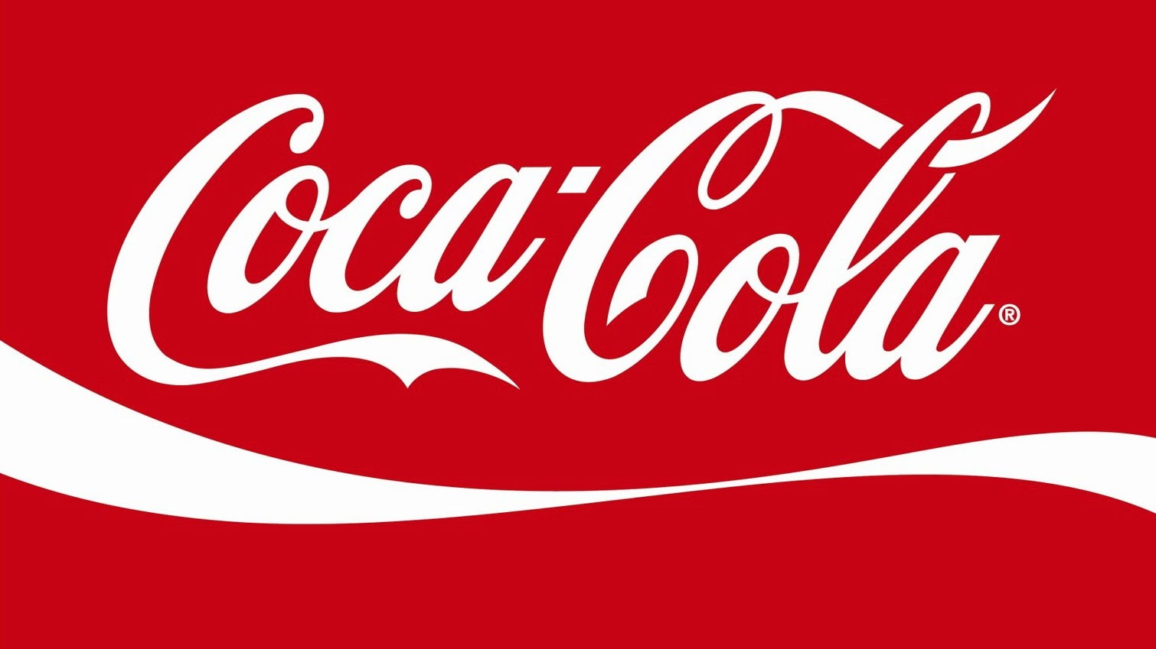
 |  |  | Campany overview:
 |  |  | The Coca-Cola Company is a multinational beverage corporation
 |  |  | incorporated under Delaware's General Corporation Law[a] and
 |  |  | headquartered in Atlanta, Georgia. The Coca-Cola Company has
 |  |  | interests in the manufacturing, retailing, and marketing of non-
 |  |  | alcoholic beverage concentrates and syrups, and alcoholic
 |  |  | beverages.
 |  | Financial model & valuation of The Coca-Cola Company (KO)

 |  | Not a recommendation to buy/sell company's shares based on the analysis.
Noted

1) | The Valuation made on 15 May 2022.
2) | All the historical data of the company has beed taken from 10k file (annual report) and Company website.
3) | For calculation of Relative Valuation I have used yahoo finance & macrotrends

 |  |  | ~Made by Devesh Babbar

graph
in millions | 2018 | 2019 | 2020 | 2021 | 2022 | 2023 | 2024 | 2025 | 2026
Total Revenues | $34,300.00 | $37,266.00 | $33,014.00 | $38,655.00 | $44,093.51 | $48,966.73 | $52,901.05 | $55,555.27 | $56,666.38
EBITDA | $10,238.00 | $11,451.00 | $10,533.00 | $11,760.00 | $13,430.70 | $14,890.29 | $16,095.26 | $16,913.85 | $17,270.27
EBIDTA Margin | 29.85% | 30.73% | 31.90% | 30.42% | 30.46% | 30.41% | 30.43% | 30.45% | 30.48%
PAT | $6,476.00 | $8,985.00 | $7,498.00 | $9,804.00 | $7,753.84 | $8,485.98 | $8,985.31 | $9,191.71 | $9,064.71
PAT Margin | 18.88% | 24.11% | 22.71% | 25.36% | 17.58% | 17.33% | 16.99% | 16.55% | 16.00%
ROCE (EBIT/Capital Employed) | 16.81% | 16.98% | 12.38% | 13.85% | 15.34% | 15.94% | 16.24% | 15.96% | 15.25%

